Doc step 01
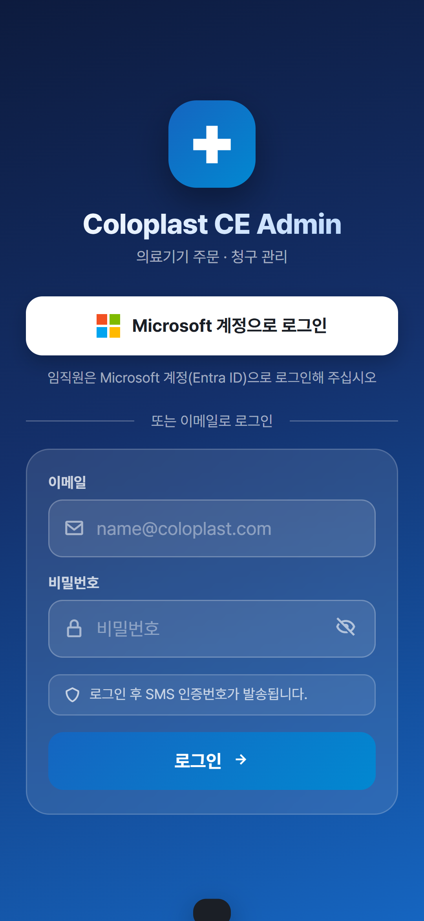
단계 1 — 폰 브라우저의 모바일 로그인 화면 (Microsoft 계정 · 이메일 · SMS 인증번호 안내)

Doc step 02
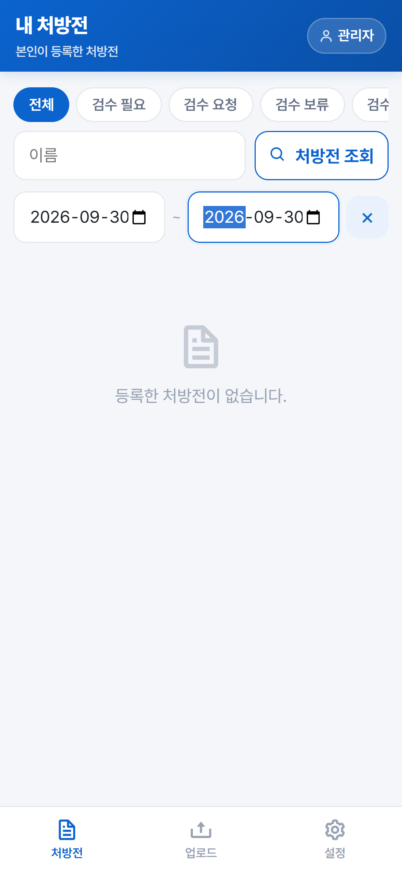
단계 2 — 조회일 2026-09-30 · 본인이 등록한 것이 없어 빈 목록 (그날 73건은 모두 위드웍스에서 옮겨 온 자료)

Doc step 03
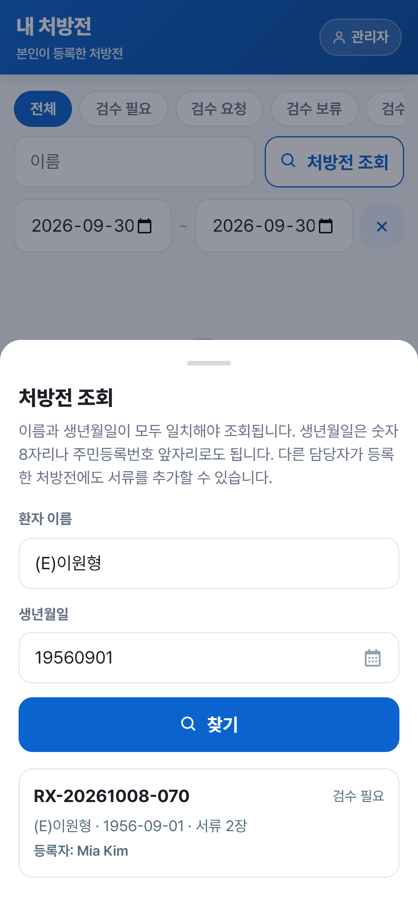
단계 3 — 처방전 조회 · 이름+생년월일로 Mia Kim 이 올린 RX-20261008-070 을 찾음

Doc step 04
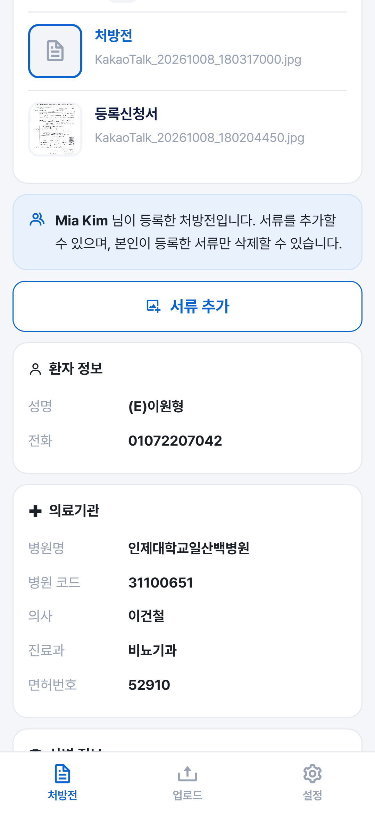
단계 4 — 남이 올린 건의 상세 · 서류 2장과 등록자 안내, 환자 정보와 의료기관이 함께 보임

Doc step 05
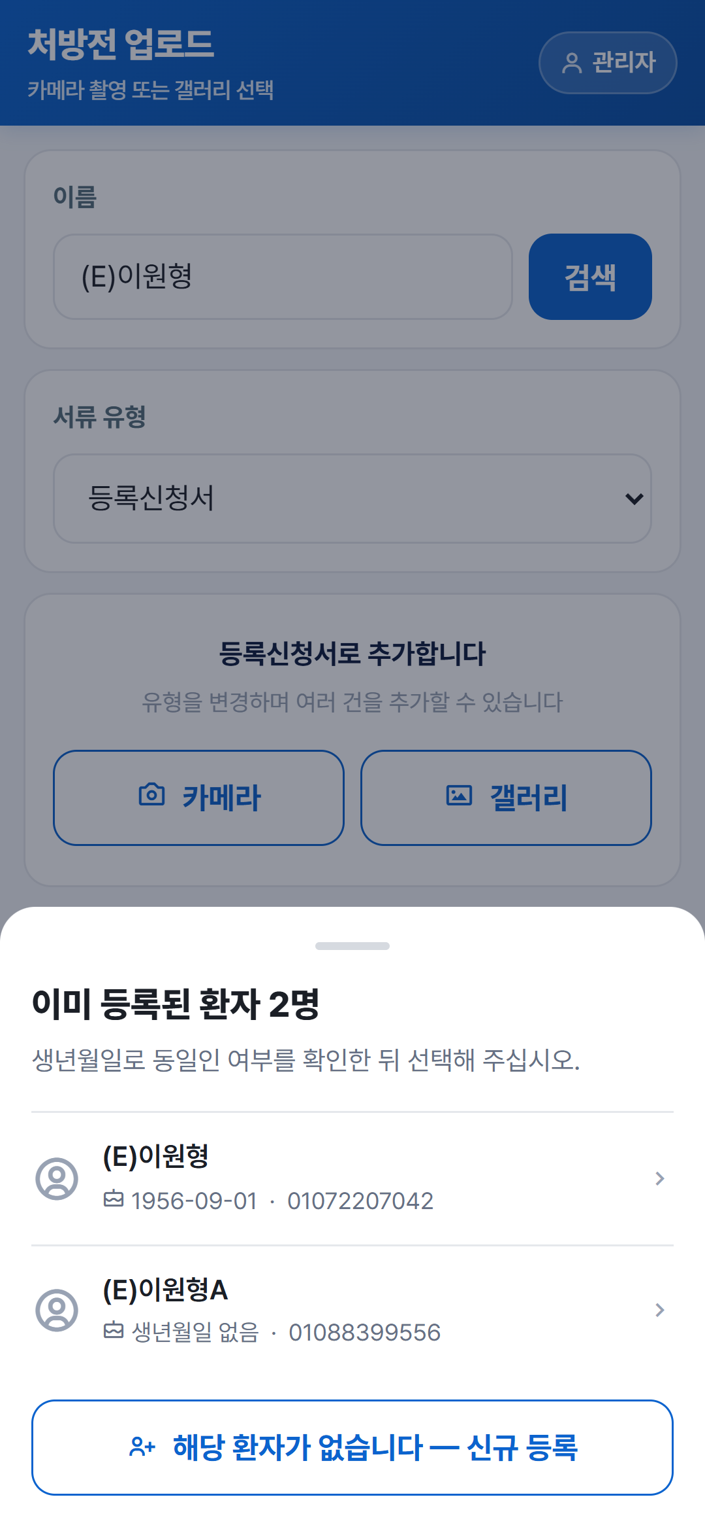
단계 5 — 업로드 · 이름이 거의 같은 두 사람을 생년월일로 가려 고른다

Doc step 06
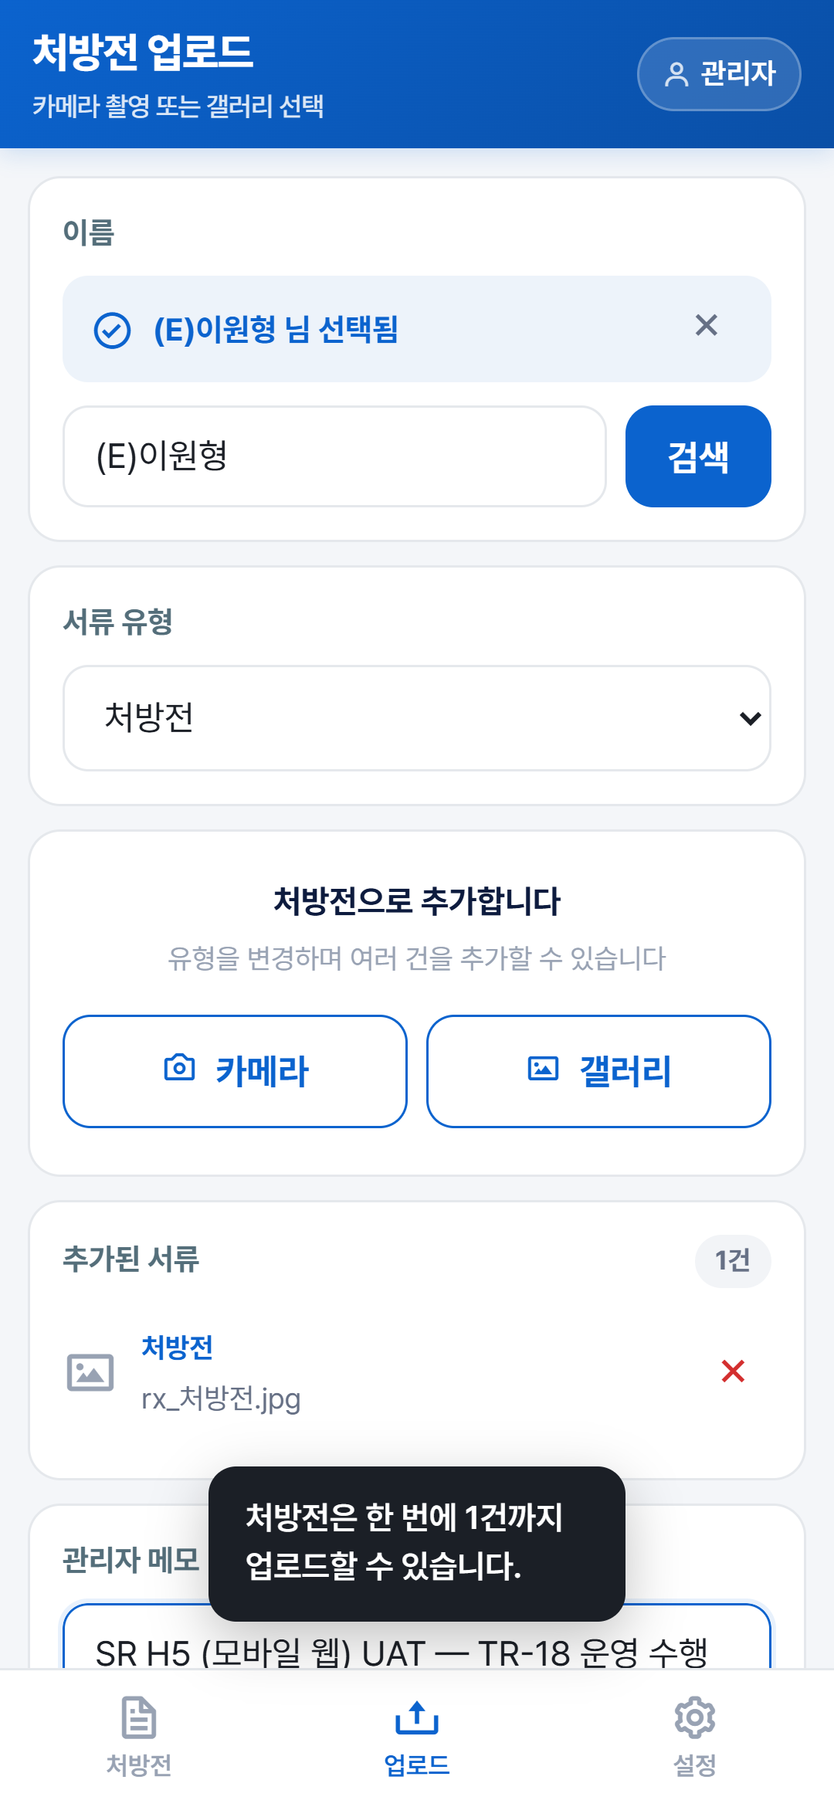
단계 6 — 같은 유형 두 장은 바로 막힌다 · 「처방전은 한 번에 1건까지」, 세지는 수는 1건 그대로

Doc step 07
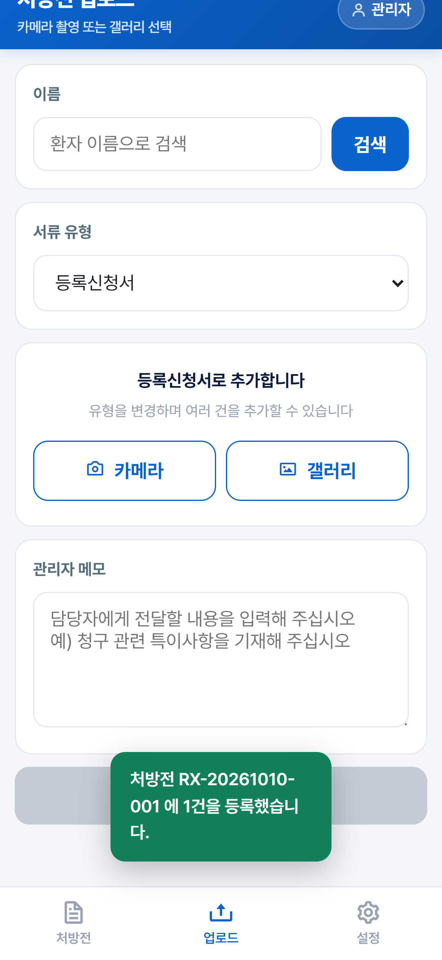
단계 7 — 업로드 성공 · 「처방전 RX-20261010-001 에 1건을 등록했습니다」, 화면이 스스로 비워짐

Doc step 08
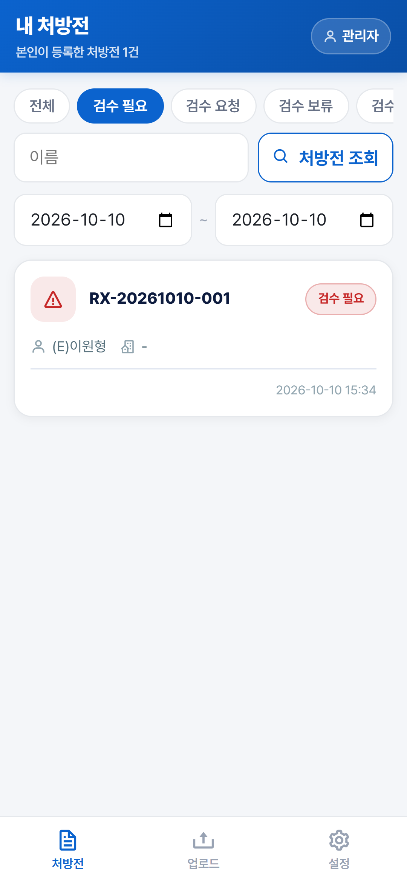
단계 8 — 목록에 RX-20261010-001 · 검수 필요 · (E)이원형 · 2026-10-10 15:34

Doc step 09
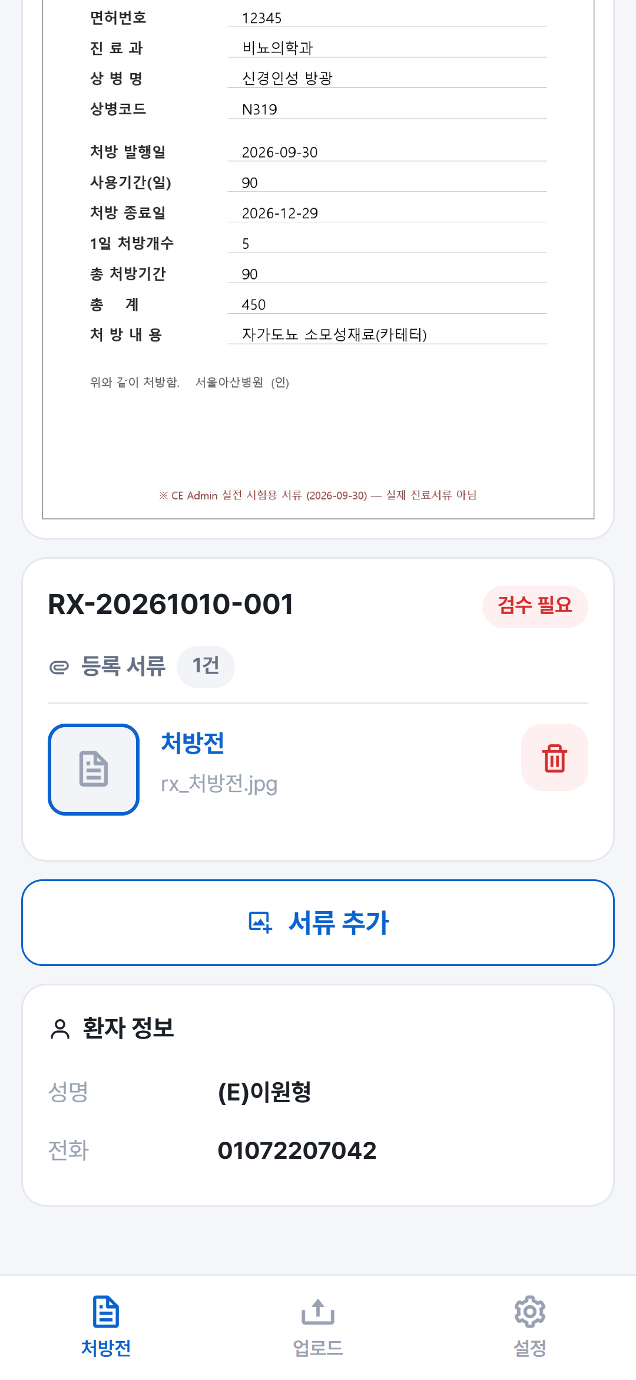
단계 9 — 상세에 등록 서류 1건과 환자 정보의 성명 (E)이원형 이 함께 선다

Doc step 10
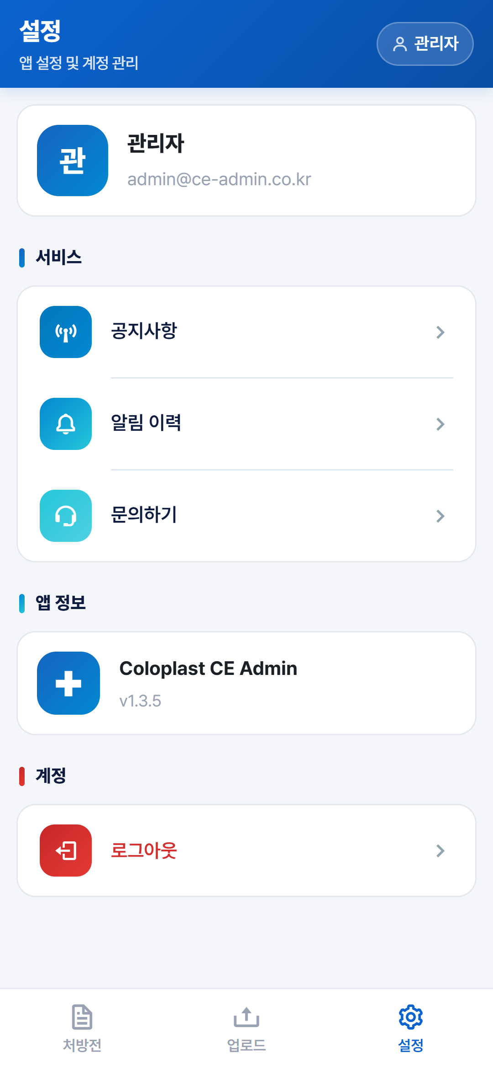
단계 10 — 설정 · 내 정보와 공지사항 · 알림 이력 · 문의하기, 앱 판 v1.3.5, 로그아웃

